Form
 |  |  |  |  |  |  |  |  |  |  |  |  |  |  |  |  |  |  |  |  |  |  |  |  |  |  |  |  | ASHMD |  | All Status
 |  |  |  |  |  |  |  |  |  |  |  |  |  |  |  |  |  |  |  |  |  |  |  |  |  |  |  |  | BNI01 |  | Vacant
Property |  |  |  |  |  |  |  |  |  |  |  | From Floor |  |  |  |  |  |  |  |  |  |  |  |  |  |  |  |  |  |  | Offered
Option |  |  |  |  |  |  |  |  |  |  |  | To Floor |  |  |  |  |  |  |  |  |  |  |  |  |  |  |  |  |  |  | Leased
Building |  |  |  |  |  |  |  |  |  |  |  | Unit Category |  |  |  |  |  |  |  |  |  |  |  |  |  |  |  |  |  |  | Pre Close
 |  |  |  |  |  |  |  |  |  |  |  | Status |  |  |  |  |  |  |  |  |  |  |  |  |  |  |  |  |  |  | Not for Leased
 |  |  |  |  |  |  |  |  |  |  |  |  |  |  |  |  |  |  |  |  |  |  |  |  |  |  |  |  |  |  | Maintenance
Building |  | Floor ID |  | Unit ID |  |  | Category |  | Unit Type | Occupiable Area |  |  | Common Area |  | Unit Status |  | Agreement No |  |  | Agre Status |  | Tenant |  | End Date |  |  | Exp Days |  |  |  | Split Vacant
 |  |  |  |  |  |  |  |  |  |  |  |  |  |  |  |  |  |  |  |  |  |  |  |  |  |  |  |  |  |  | Split Occupied

 |  |  |  |  |  |  |  |  |  |  |  |  |  |  |  |  |  |  |  |  |  |  |  |  |  |  |  |  |  | Available
 |  |  |  |  |  |  |  |  |  |  |  |  |  |  |  |  |  |  |  |  |  |  |  |  |  |  |  |  |  | Offered
 |  |  |  |  |  |  |  |  |  |  |  |  |  |  |  |  |  |  |  |  |  |  |  |  |  |  |  |  |  | Sold
 |  |  |  |  |  |  |  |  |  |  |  |  |  |  |  |  |  |  |  |  |  |  |  |  |  |  |  |  |  | Not for Sale
 |  |  |  |  |  |  |  |  |  |  |  |  |  |  |  |  |  |  |  |  |  |  |  |  |  |  |  |  |  | Maintenance
Utility Type | Meter No |  |  | Seq No |  |  | CF | Last Invoice Prd |  |  |  | Call No |  | Call Date |  | Call Status |  | Plan Start Dt |  |  | Plan End Dt |  | Actual Start Dt |  |  | Actual End Dt

 |  |  |  |  |  |  |  |  |  |  |  |  |  |  |  |  |  |  |  |  |  |  |  |  |  |  |  | : HIDE

Radio Type selected : Lookup Building Enabled, else : Lookup Building Disabled |  |  |  |  |  |  |  |  |  |  |  |  |  |  |  |  |  |  | other unit: building tdk mandatory |  |  |  |  |  | tp muncul cek box all building
Category pakai Lookup Unit Type Category
default value building top 1 berdasarkn user access
default floor from to dr data 1 ke akhir
Grid Header: Floor ID, Unit ID, Split Unit ID, Category, Unit Type, Occupiable Area, Common Area, Agreement No, Tenant, Type, End Date, Exp Days, Agre Status
Grid Detail Kiri: Utility Type, Meter No, Seq No, CF, Last Invoice Prd
Grid Detail Kanan: Call No, Call Date, Call Status, Plan Start Dt, Plan End Dt, Actual Start Dt, Actual End Dt
Isi Combobox Statusnya ada: All Status, Vacant, Offered, Leased, Pre Close, Not for Leased, Maintenance, Split Vacant, Split Occupied
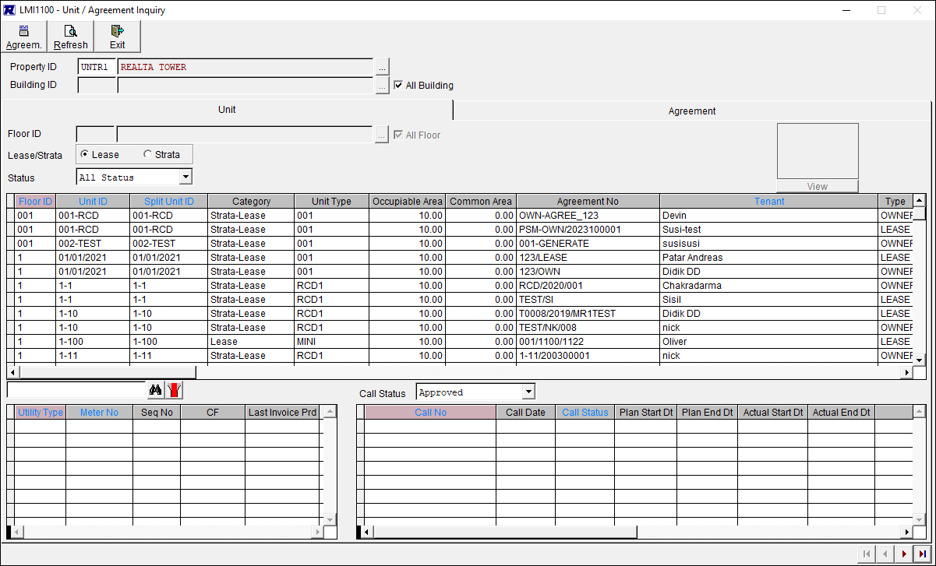

 |  | Property
 |  | Report Type

 |  |  | Output to |  | : | o | Screen
 |  |  |  |  |  | o | Printer |  |  |  | V

 |  | Property
 |  | Report Type

 |  |  |  |  |  |  |  |  |  | To
 |  |  |  |  |  |  |  |  |  | To
 |  |  |  | cust |  |  |  |  |  | To
 |  |  |  |  |  |  |  |  |  | To

 |  |  | Output to |  | : | o | Screen
 |  |  |  |  |  | o | Printer |  |  |  | V

